Script
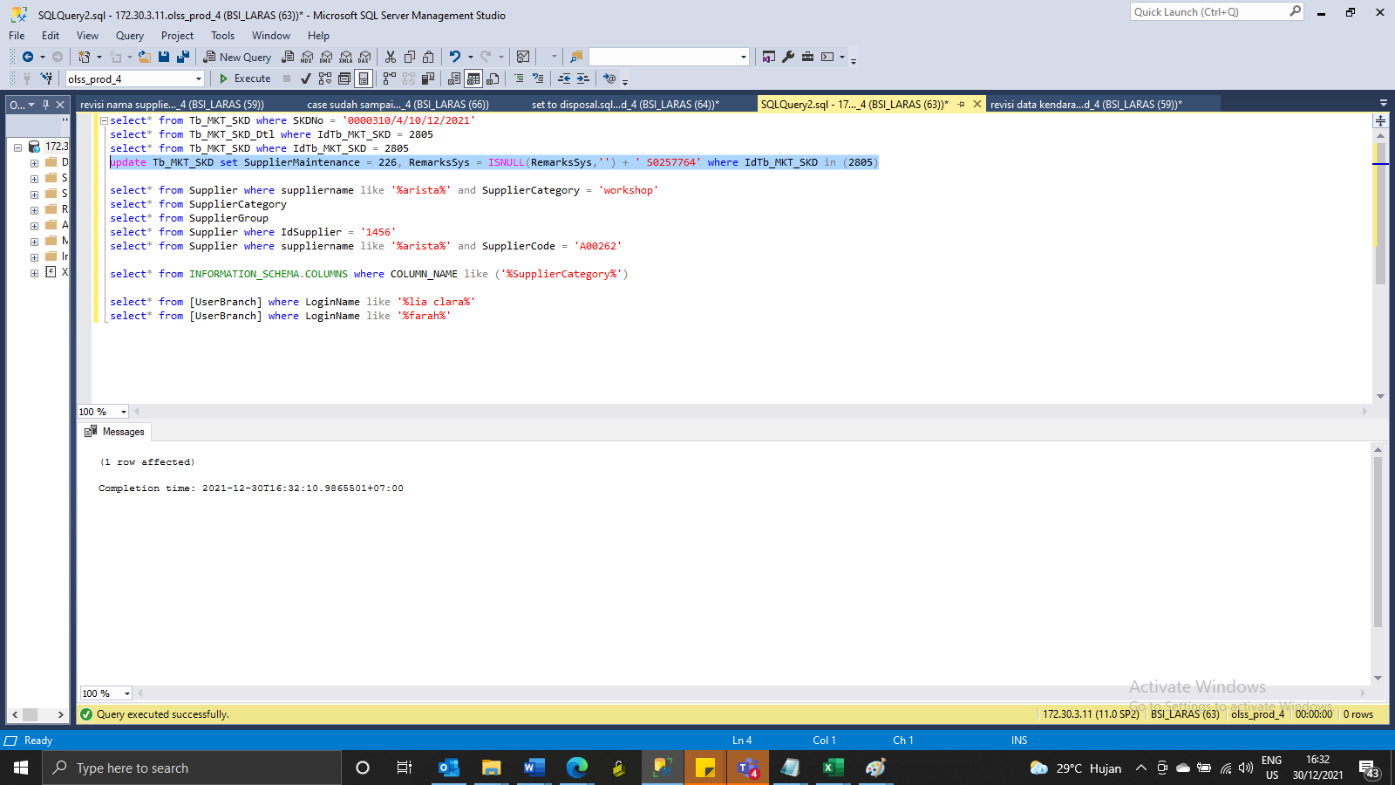
update Tb_MKT_SKD set SupplierMaintenance = 226, RemarksSys = ISNULL(RemarksSys,'') + ' S0257764' where IdTb_MKT_SKD in (2805)

Screenshot
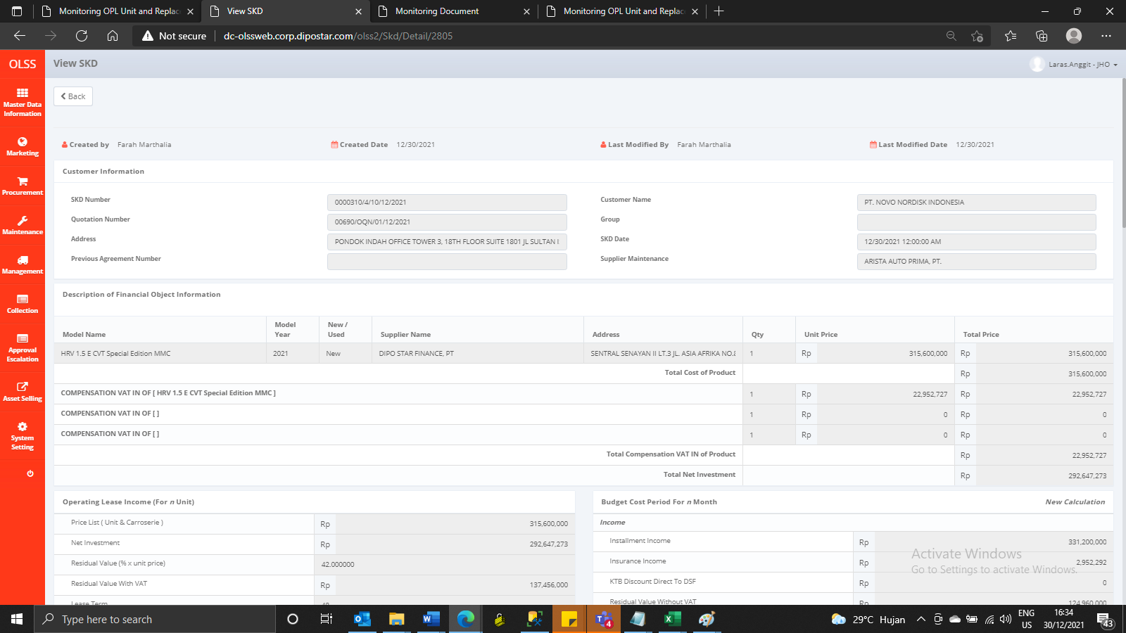
BEFORE


AFTER

